Sheet1
x versus y
Simple Linear Regression with Gradient Descent

Dataset
x | y
1 | 1
2 | 3
4 | 3
3 | 2
5 | 5 |  | attributes |  | prediction | hyperparamer tuning | Loss function |  | Algorithm
 |  |  | 절편 (α) | 기울기 (β) | y_hat |  | y_hat - y | MSE | gradient descent
iteration | x | y | w0 | w1 | Prediction | learning rate | error | error^2 | w0+1 | w1+1
0 | 1 | 1 | 0 | 0 | 0 | 0.01 | -1 | 1 | 0.01 | 0.01
1 | 2 | 3 | 0.01 | 0.01 | 0.03 | 0.01 | -2.97 | 8.8209 | 0.0397 | 0.0694
2 | 4 | 3 | 0.0397 | 0.0694 | 0.3173 | 0.01 | -2.6827 | 7.19687929 | 0.066527 | 0.176708
3 | 3 | 2 | 0.066527 | 0.176708 | 0.596651 | 0.01 | -1.403349 | 1.9693884158 | 0.08056049 | 0.21880847
4 | 5 | 5 | 0.08056049 | 0.21880847 | 1.17460284 | 0.01 | -3.82539716 | 14.633663432 | 0.1188144616 | 0.410078328
5 | 1 | 1 | 0.1188144616 | 0.410078328 | 0.5288927896 | 0.01 | -0.4711072104 | 0.22194200369 | 0.1235255337 | 0.4147894001
6 | 2 | 3 | 0.1235255337 | 0.4147894001 | 0.95310433391 | 0.01 | -2.0468956661 | 4.1897818678 | 0.14399449036 | 0.45572731343
7 | 4 | 3 | 0.14399449036 | 0.45572731343 | 1.9669037441 | 0.01 | -1.0330962559 | 1.067287874 | 0.15432545292 | 0.49705116366
8 | 3 | 2 | 0.15432545292 | 0.49705116366 | 1.6454789439 | 0.01 | -0.35452105609 | 0.12568517921 | 0.15787066349 | 0.50768679535
9 | 5 | 5 | 0.15787066349 | 0.50768679535 | 2.6963046402 | 0.01 | -2.3036953598 | 5.3070123107 | 0.18090761708 | 0.62287156333
10 | 1 | 1 | 0.18090761708 | 0.62287156333 | 0.80377918042 | 0.01 | -0.19622081958 | 0.038502610037 | 0.18286982528 | 0.62483377153
11 | 2 | 3 | 0.18286982528 | 0.62483377153 | 1.4325373683 | 0.01 | -1.5674626317 | 2.4569391016 | 0.1985444516 | 0.65618302416
12 | 4 | 3 | 0.1985444516 | 0.65618302416 | 2.8232765483 | 0.01 | -0.17672345175 | 0.031231178398 | 0.20031168611 | 0.66325196223
13 | 3 | 2 | 0.20031168611 | 0.66325196223 | 2.1900675728 | 0.01 | 0.19006757281 | 0.036125682236 | 0.19841101038 | 0.65754993505
14 | 5 | 5 | 0.19841101038 | 0.65754993505 | 3.4861606856 | 0.01 | -1.5138393144 | 2.2917094697 | 0.21354940353 | 0.73324190077
15 | 1 | 1 | 0.21354940353 | 0.73324190077 | 0.9467913043 | 0.01 | -0.053208695704 | 0.0028311652985 | 0.21408149049 | 0.73377398772
16 | 2 | 3 | 0.21408149049 | 0.73377398772 | 1.6816294659 | 0.01 | -1.3183705341 | 1.7381008651 | 0.22726519583 | 0.76014139841
17 | 4 | 3 | 0.22726519583 | 0.76014139841 | 3.2678307895 | 0.01 | 0.26783078945 | 0.071733331778 | 0.22458688793 | 0.74942816683
18 | 3 | 2 | 0.22458688793 | 0.74942816683 | 2.4728713884 | 0.01 | 0.47287138842 | 0.22360734998 | 0.21985817405 | 0.73524202518
19 | 5 | 5 | 0.21985817405 | 0.73524202518 | 3.8960682999 | 0.01 | -1.1039317001 | 1.2186651984 | 0.23089749105 | 0.79043861018

w0 | w1
0.23089749105 | 0.79043861018

Prediction
x | Prediction | y | Predicted - y | squared error | RMSE | (Root Mean Square Error): 딥러닝에서 연산을 빨리하기 위해
1 | 1.0213361012 | 1 | 0.021336101228 | 0.00045522921559
2 | 1.8117747114 | 3 | -1.1882252886 | 1.4118793365
4 | 3.3926519318 | 3 | 0.39265193177 | 0.15417553952
3 | 2.6022133216 | 2 | 0.60221332159 | 0.3626608847
5 | 4.1830905419 | 5 | -0.81690945805 | 0.66734106266 | 0.72062640148
 |  |  | SUM: | 2.5965120525

Sheet2
Error with 9 epoch
 | -1
 | -2.97
 | -2.6827
 | -1.403349
 | -3.82539716
 | -0.4711072104
 | -2.0468956661
 | -1.0330962559
 | -0.35452105609
 | -2.3036953598
 | -0.19622081958
 | -1.5674626317
 | -0.17672345175
 | 0.19006757281
 | -1.5138393144
 | -0.053208695704
 | -1.3183705341
 | 0.26783078945
 | 0.47287138842
 | -1.1039317001
 | 0.021336101228
 | -1.1888653716
 | 0.49858301015
 | 0.61976466223
 | -0.89127921134
일차방정식(y_hat = α + β*x) 모델 가정
learning rate |  | Data |  | model |  |  | y_hat - y
0.01 | Iterations | x | y | 절편 (α) | 기울기 (β) | y_hat | error | square(error)
 | 0 | 1 | 1 | 0.0000 | 0.0000 | 0.0000 | -1.0000 | 1.0000
 | 1 | 2 | 3 | 0.0100 | 0.0100 | 0.0300 | -2.9700 | 8.8209
 | 2 | 4 | 3 | 0.0397 | 0.0694 | 0.3173 | -2.6827 | 7.1969
 | 3 | 3 | 2 | 0.0665 | 0.1767 | 0.5967 | -1.4033 | 1.9694
 | 4 | 5 | 5 | 0.0806 | 0.2188 | 1.1746 | -3.8254 | 14.6337
 | 5 | 1 | 1 | 0.1188 | 0.4101 | 0.5289 | -0.4711 | 0.2219
 | 6 | 2 | 3 | 0.1235 | 0.4148 | 0.9531 | -2.0469 | 4.1898
 | 7 | 4 | 3 | 0.1440 | 0.4557 | 1.9669 | -1.0331 | 1.0673
 | 8 | 3 | 2 | 0.1543 | 0.4971 | 1.6455 | -0.3545 | 0.1257
 | 9 | 5 | 5 | 0.1579 | 0.5077 | 2.6963 | -2.3037 | 5.3070
 | 10 | 1 | 1 | 0.1809 | 0.6229 | 0.8038 | -0.1962 | 0.0385
square(error)
 | 1
 | 8.8209
 | 7.19687929
 | 1.9693884158
 | 14.633663432
 | 0.22194200369
 | 4.1897818678
 | 1.067287874
 | 0.12568517921
 | 5.3070123107
 | 0.038502610037
 | 2.4569391016
 | 0.031231178398
 | 0.036125682236
 | 2.2917094697
 | 0.0028311652985
 | 1.7381008651
 | 0.071733331778
 | 0.22360734998
 | 1.2186651984
 | 0.00045522921559
 | 1.4134008719
 | 0.24858501801
 | 0.38410823655
 | 0.79437863256
 | 0.0036399931848
 | 1.2576441762
 | 0.38234036251
 | 0.48455118708
 | 0.61001349682
 | 0.0065400253414
 | 1.1799705918
 | 0.46303157967
 | 0.54139593698
 | 0.52410775637
 | 0.0084314753227
 | 1.1402367199
 | 0.50790487377
 | 0.57225544993
 | 0.4822916309
 | 0.0095642035898
 | 1.1194987909
 | 0.5319558182
 | 0.58871914776
 | 0.46147459312
 | 11 | 2 | 3 | 0.1829 | 0.6248 | 1.4325 | -1.5675 | 2.4569
 | 12 | 4 | 3 | 0.1985 | 0.6562 | 2.8233 | -0.1767 | 0.0312
 | 13 | 3 | 2 | 0.2003 | 0.6633 | 2.1901 | 0.1901 | 0.0361
 | 14 | 5 | 5 | 0.1984 | 0.6575 | 3.4862 | -1.5138 | 2.2917
 | 15 | 1 | 1 | 0.2135 | 0.7332 | 0.9468 | -0.0532 | 0.0028
 | 16 | 2 | 3 | 0.2141 | 0.7338 | 1.6816 | -1.3184 | 1.7381
 | 17 | 4 | 3 | 0.2273 | 0.7601 | 3.2678 | 0.2678 | 0.0717
 | 18 | 3 | 2 | 0.2246 | 0.7494 | 2.4729 | 0.4729 | 0.2236
 | 19 | 5 | 5 | 0.2199 | 0.7352 | 3.8961 | -1.1039 | 1.2187
데이터와 예측 모델
 | 실제자료 | 예측(y_hat)
1 | 1 | 0.9467913043
2 | 3 | 1.6816294659
4 | 3 | 3.2678307895
3 | 2 | 2.4728713884
5 | 5 | 3.8960682999
 | 20 | 1 | 1 | 0.2309 | 0.7904 | 1.0213 | 0.0213 | 0.0005
 | 21 | 2 | 3 | 0.2307 | 0.7902 | 1.8111 | -1.1889 | 1.4134
 | 22 | 4 | 3 | 0.2426 | 0.8140 | 3.4986 | 0.4986 | 0.2486
 | 23 | 3 | 2 | 0.2376 | 0.7941 | 2.6198 | 0.6198 | 0.3841
 | 24 | 5 | 5 | 0.2314 | 0.7755 | 4.1087 | -0.8913 | 0.7944
 | 25 | 1 | 1 | 0.2403 | 0.8200 | 1.0603 | 0.0603 | 0.0036
 | 26 | 2 | 3 | 0.2397 | 0.8194 | 1.8786 | -1.1214 | 1.2576
 | 27 | 4 | 3 | 0.2509 | 0.8419 | 3.6183 | 0.6183 | 0.3823
 | 28 | 3 | 2 | 0.2447 | 0.8171 | 2.6961 | 0.6961 | 0.4846
 | 29 | 5 | 5 | 0.2378 | 0.7962 | 4.2190 | -0.7810 | 0.6100
 | 30 | 1 | 1 | 0.2456 | 0.8353 | 1.0809 | 0.0809 | 0.0065
 | 31 | 2 | 3 | 0.2448 | 0.8345 | 1.9137 | -1.0863 | 1.1800
 | 32 | 4 | 3 | 0.2556 | 0.8562 | 3.6805 | 0.6805 | 0.4630
 | 33 | 3 | 2 | 0.2488 | 0.8290 | 2.7358 | 0.7358 | 0.5414
 | 34 | 5 | 5 | 0.2415 | 0.8069 | 4.2760 | -0.7240 | 0.5241
 | 35 | 1 | 1 | 0.2487 | 0.8431 | 1.0918 | 0.0918 | 0.0084
 | 36 | 2 | 3 | 0.2478 | 0.8422 | 1.9322 | -1.0678 | 1.1402
 | 37 | 4 | 3 | 0.2585 | 0.8636 | 3.7127 | 0.7127 | 0.5079
 | 38 | 3 | 2 | 0.2513 | 0.8350 | 2.7565 | 0.7565 | 0.5723
 | 39 | 5 | 5 | 0.2438 | 0.8123 | 4.3055 | -0.6945 | 0.4823
 | 40 | 1 | 1 | 0.2507 | 0.8471 | 1.0978 | 0.0978 | 0.0096
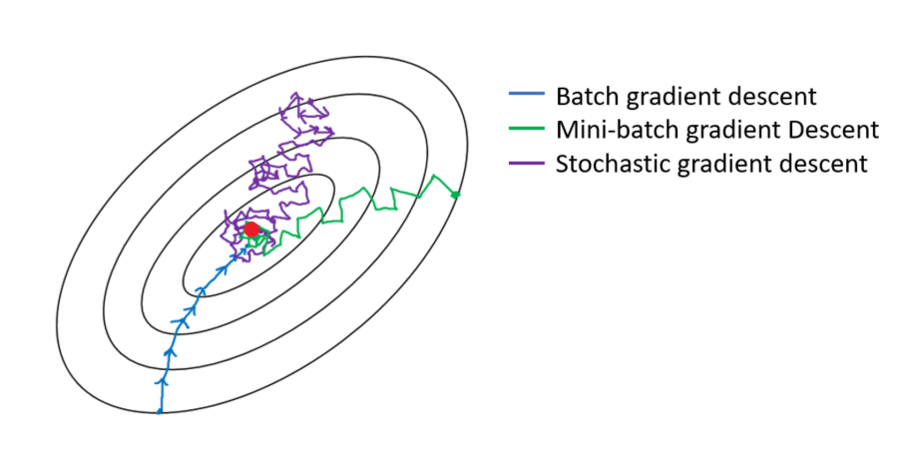
 | 41 | 2 | 3 | 0.2497 | 0.8461 | 1.9419 | -1.0581 | 1.1195
 | 42 | 4 | 3 | 0.2603 | 0.8673 | 3.7294 | 0.7294 | 0.5320
 | 43 | 3 | 2 | 0.2530 | 0.8381 | 2.7673 | 0.7673 | 0.5887
 | 44 | 5 | 5 | 0.2454 | 0.8151 | 4.3207 | -0.6793 | 0.4615

